Dashboard
1. Data Frame:
First, we’ll load the dataset into Python using the DataFrame framework:
A DataFrame is a two-dimensional data structure in computer programming languages, similar to an Excel table. In Python, a DataFrame is an object in the pandas library. The pandas library is a core library used by Python in Excel, and DataFrame objects are a key structure for analyzing data with Python in Excel.

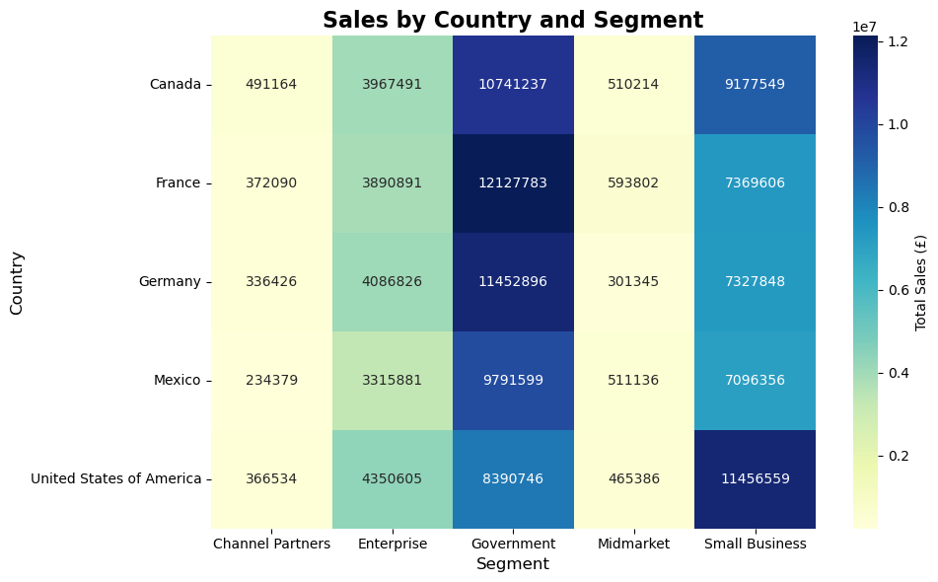

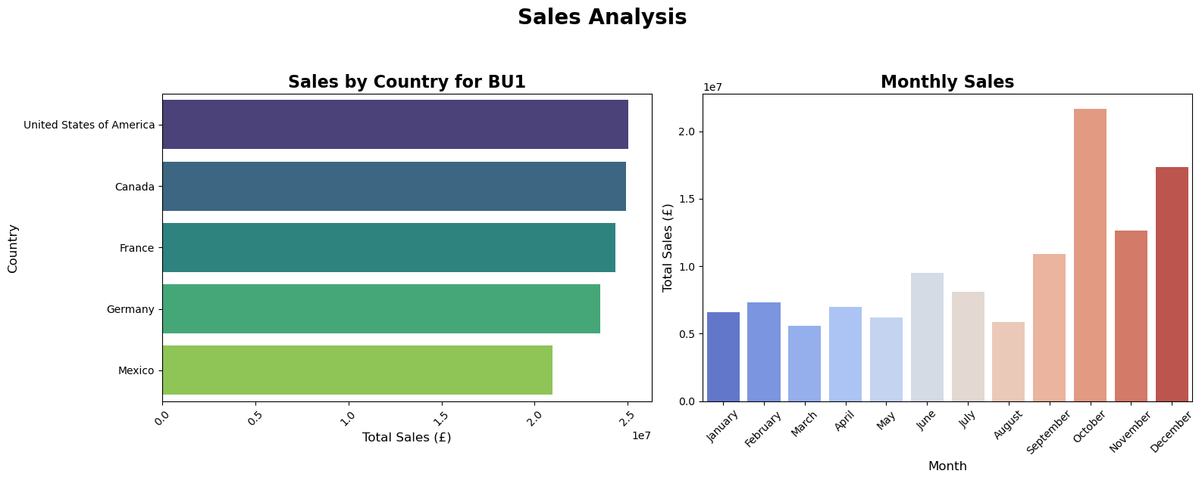
2. Key Indicators
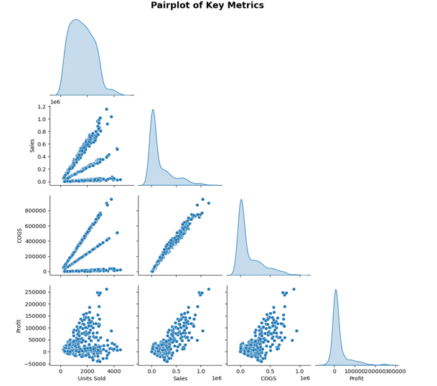

3. Sales Analysis

4. Boxplot and Pairplot

A DataFrame is a two-dimensional data structure in computer programming languages, similar to an Excel table. In Python, a DataFrame is an object in the pandas library. The pandas library is a core library used by Python in Excel, and DataFrame objects are a key structure for analyzing data with Python in Excel.
Boxplot
A boxplot is a graph that shows the distribution of data through five key points: minimum, first quartile, median, third quartile, and maximum. It helps identify variability, trends, and outliers in a dataset at a glance.

s

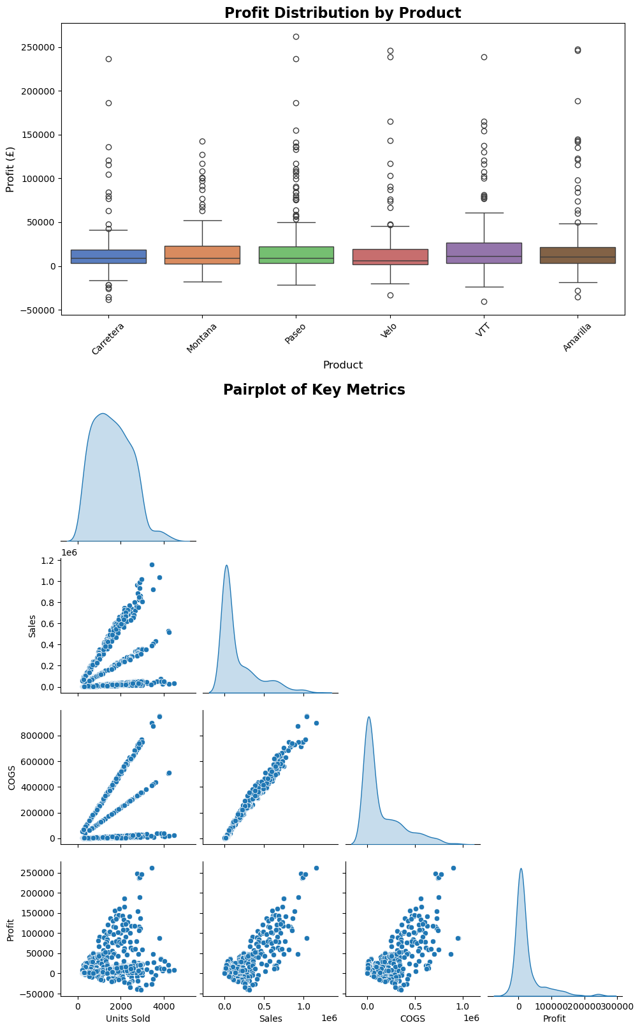
Pairplot
A pairplot is a collection of scatterplots that visualizes pairwise relationships between multiple variables in a dataset. It also includes diagonal plots (like histograms or KDEs) to show individual variable distributions.
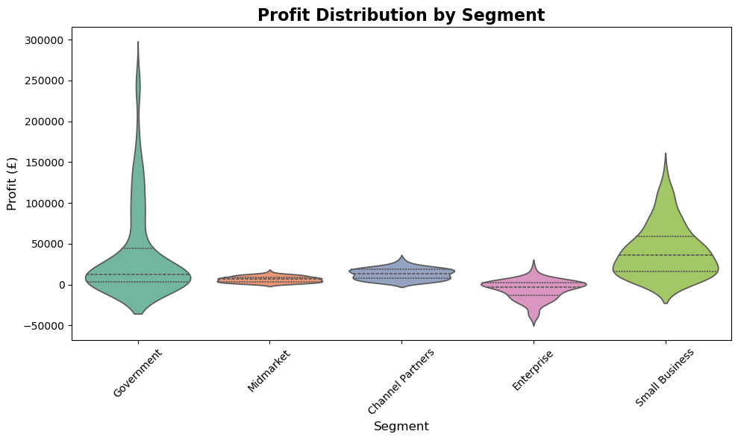

5. Heatmap

6. Violin

